Sheet2
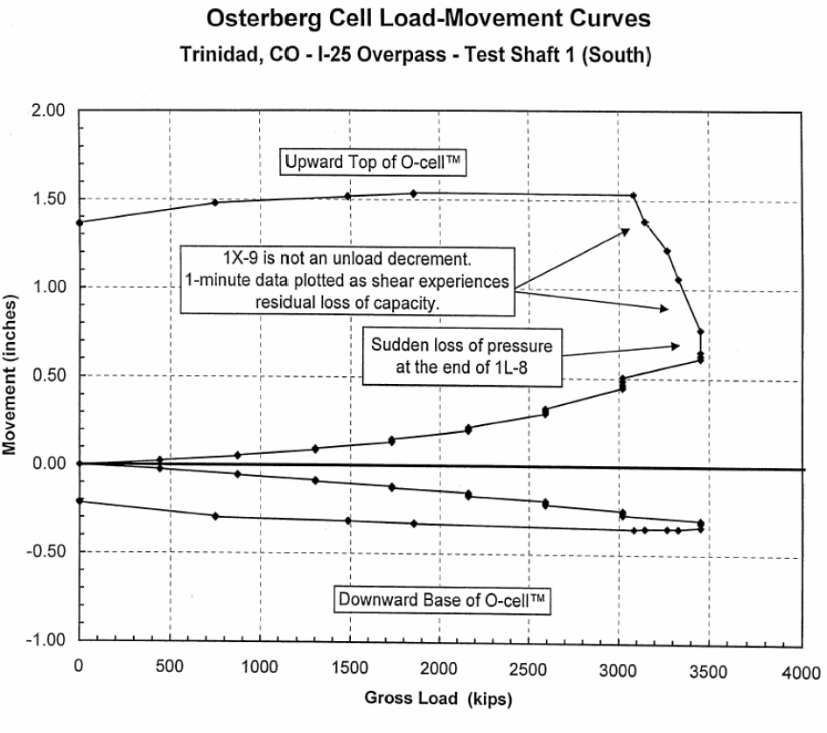
x | Curve1 |  | x | Curve1 | LOAD | UPWARD | DOWNWARD
0 | 1.3679 | 1 | -3.78758 | -0.217864 | 0 | 0.000 | 0.000
4.84262 | 0.00498012 |  | 0.023972 | -0.00495023 | 448 | 0.034 | -0.025
450.363 | 0.0335217 |  | 445.64 | -0.0247392 | 879 | 0.057 | -0.055
760.291 | 1.48805 | 2 | 752.027 | -0.293604 | 1310 | 0.095 | -0.089
881.356 | 0.0569994 |  | 876.778 | -0.0545903 | 1736 | 0.153 | -0.119
1312.35 | 0.0952919 |  | 1307.94 | -0.0893918 | 2151 | 0.216 | -0.149
1491.53 | 1.52894 | 3 | 1483.32 | -0.30526 | 2151 | 0.216 | -0.169
1733.66 | 0.153254 |  | 1739.08 | -0.119243 | 2580 | 0.304 | -0.189
1854.72 | 1.53702 | 4 | 1846.61 | -0.325966 | 2580 | 0.328 | -0.209
2159.81 | 0.216196 |  | 2146 | -0.149364 | 3007 | 0.446 | -0.249
2581.11 | 0.328479 |  | 2146.1 | -0.169165 | 3007 | 0.480 | -0.269
2585.96 | 0.303829 |  | 2577.19 | -0.189115 | 3439 | 0.642 | -0.303
3002.42 | 0.480268 |  | 2577.28 | -0.208916 | 3439 | 0.642 | -0.343
3007.26 | 0.445742 |  | 3003.72 | -0.268523 | 3318 | 1.071 | -0.349
3055.69 | 1.53752 |  | 3013.31 | -0.248614 | 3255 | 1.233 | -0.350
3133.17 | 1.39498 | 5 | 3067.06 | -0.347025 | 3132 | 1.395 | -0.351
3254.24 | 1.23306 | 6 | 3130.03 | -0.351274 | 3061 | 1.538 | -0.347
3317.19 | 1.07064 | 7 | 3255.93 | -0.349872 | 1851 | 1.537 | -0.326
3443.1 | 0.642101 | 8 | 3318.88 | -0.349171 | 1487 | 1.529 | -0.305
 |  |  | 3430.04 | -0.303378 | 756 | 1.488 | -0.294
 |  |  | 3444.76 | -0.342818 | 0 | 1.368 | -0.218

